Benefits-Example
Comparison of Recent Multi-Value Portfolios

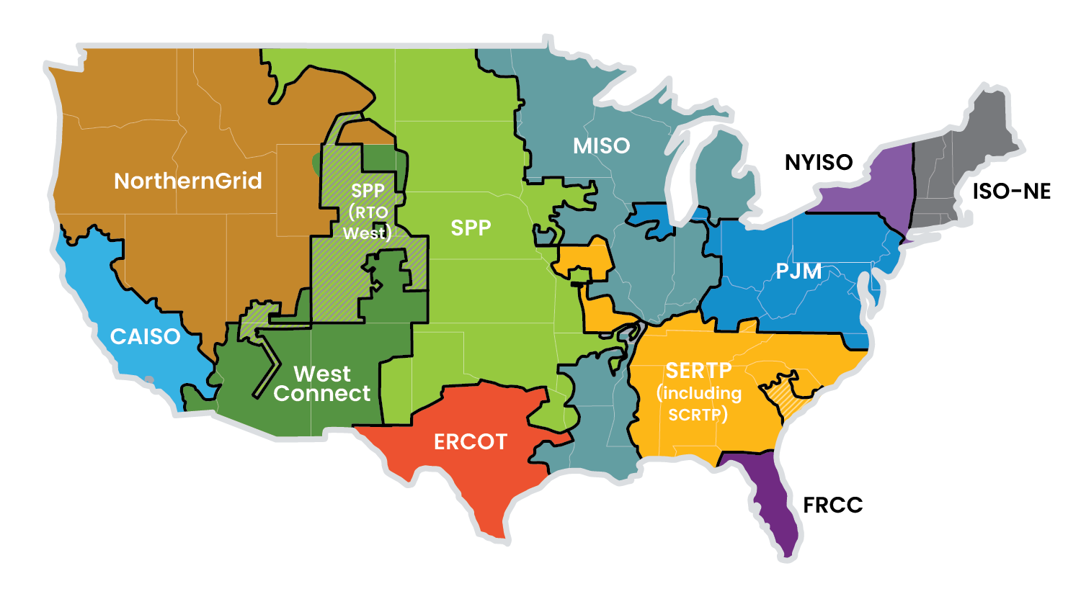
 |  | $Billion
No. | O1920 BENEFIT | MISO LTRP Tranche 2.1 (40-yr, 7.1% dr) Low, Abs. | MISO LTRP Tranche 2.1 (40-yr, 7.1% dr) Low, Rel. | MISO LTRP Tranche 2.1 (40-yr, 7.1% dr) High, Abs. | MISO LTRP Tranche 2.1 (40-yr, 7.1% dr) High, Rel. | SPP 2024 ITP (40-yr, 8% dr) Low, Abs. | SPP 2024 ITP (40-yr, 8% dr) Low, Rel. | SPP 2024 ITP (40-yr, 8% dr) High, Abs. | SPP 2024 ITP (40-yr, 8% dr) High, Rel. | NYISO AC PPTP (45-yr or 20-yr, 7% dr) Low, Abs. | NYISO AC PPTP (45-yr or 20-yr, 7% dr) Low, Rel. | NYISO AC PPTP (45-yr or 20-yr, 7% dr) High, Abs. | NYISO AC PPTP (45-yr or 20-yr, 7% dr) High, Rel.
1 | Avoided / deferred reliability and aging infrastructure | 2.0 | 0.06 | 3.1 | 0.09 | 0.1 | 0.01 | 0.1 | 0.01 | 0.60 | 0.30 | 0.60 | 0.30
2 | Reduced Costs Related to Resource Adequacy | 18.6 | 0.57 | 18.6 | 0.57 | #N/A | #N/A | #N/A | #N/A | 0.22 | 0.11 | 0.62 | 0.31
3 | Production cost savings | 11.3 | 0.34 | 11.3 | 0.34 | 88.7 | 8.24 | 95.7 | 8.89 | 0.66 | 0.33 | 1.63 | 0.82
4 | Reduced transmission energy losses | 2.4 | 0.07 | 2.4 | 0.07 | 3.5 | 0.32 | 4.1 | 0.38 | #N/A | #N/A | #N/A | #N/A
5 | Reduced congestion due to transmission outages | 0.1 | 0.00 | 0.1 | 0.00 | 3.0 | 0.28 | 3.2 | 0.30 | #N/A | #N/A | #N/A | #N/A
6 | Mitigation of extreme weather and unexpected conditions | 16.3 | 0.50 | 46.5 | 1.41 | #N/A | #N/A | #N/A | #N/A | #N/A | #N/A | #N/A | #N/A
7 | Capacity cost benefits from reduced peak energy losses | 1.5 | 0.05 | 1.5 | 0.05 | 0.2 | 0.02 | 0.2 | 0.02 | #N/A | #N/A | #N/A | #N/A
Other | Other | 9.0 | 0.27 | 37.0 | 1.12 | 9.0 | 0.84 | 9.0 | 0.84 | 0.00 | 0.00 | 0.16 | 0.08

 | Total Benefits | 61.2 | 1.9 | 120.5 | 3.7 | 104.5 | 9.7 | 112.3 | 10.4 | 1.48 | 0.74 | 3.01 | 1.51
 | Total Portfolio Cost |  |  |  |  | 7.7 |  | 7.7 |  | 1.23 | 1.23 | 1.23 | 1.23
 | 40- or 45-yr PV Cost | 32.9 | 1.0 | 32.9 | 1.0 | 10.8 | 1.0 | 10.8 | 1.0 | 1.99 | 1.00 | 1.99 | 1.00
 | B-to-C Ratio | 1.9 |  | 3.7 |  | 9.7 |  | 10.4 |  | 0.7 |  | 1.5

Demonstration of multivalue benefit spread from recent regional transmission portfolios.
MISO | 0.09
SPP | 0.01
NYISO | 0.30
 | 0.00
MISO | 0.57
SPP | 0.00
NYISO | 0.31
 | 0.00
MISO | 0.34
SPP | 8.89
NYISO | 0.82
 | 0.00
MISO | 0.07
SPP | 0.38
NYISO | 0.00
 | 0.00
MISO | 0.00
SPP | 0.30
NYISO | 0.00
 | 0.00
MISO | 1.41
SPP | 0.00
NYISO | 0.00
 | 0.00
MISO | 0.05
SPP | 0.02
NYISO | 0.00
 | 0.00
MISO | 1.12
SPP | 0.84
NYISO | 0.08
 | VALUES FOR FIGURE
 |  |  | Rel
 | Benefit | Region | High
 | 1 | MISO | 0.09
 | 1 | SPP | 0.01
 | 1 | NYISO | 0.30

 | 2 | MISO | 0.57
 | 2 | SPP
 | 2 | NYISO | 0.31

 | 3 | MISO | 0.34
 | 3 | SPP | 8.89
 | 3 | NYISO | 0.82

 | 4 | MISO | 0.07
 | 4 | SPP | 0.38
 | 4 | NYISO

 | 5 | MISO | 0.00
 | 5 | SPP | 0.30
 | 5 | NYISO

 | 6 | MISO | 1.41
 | 6 | SPP
 | 6 | NYISO

 | 7 | MISO | 0.05
 | 7 | SPP | 0.02
 | 7 | NYISO

 | Other | MISO | 1.12
 | Other | SPP | 0.84
 | Other | NYISO | 0.08

